Options
# | Open Item | Resolution | Pros | Cons
1 | Throw error/Remove New button for Order | Remove the Outbound order views completely from the Application menu. Customers can view the orders they have created by clicking into the orders from the Outbound Order Entry UI by either clicking into the order or by clicking the "i" icon to the right of the order | 1. User is forced to use only the Sales Order Entry process, thus resolves the main issue 2. Order information can still be viewed | If the user clicks the order link instead of "i" icon they are taken to this screen that has the "Proceed to Checkout" button. This button only shows more information about the order, nothing can be editted. We are looking to see if this can be greyed out
 |  |  | 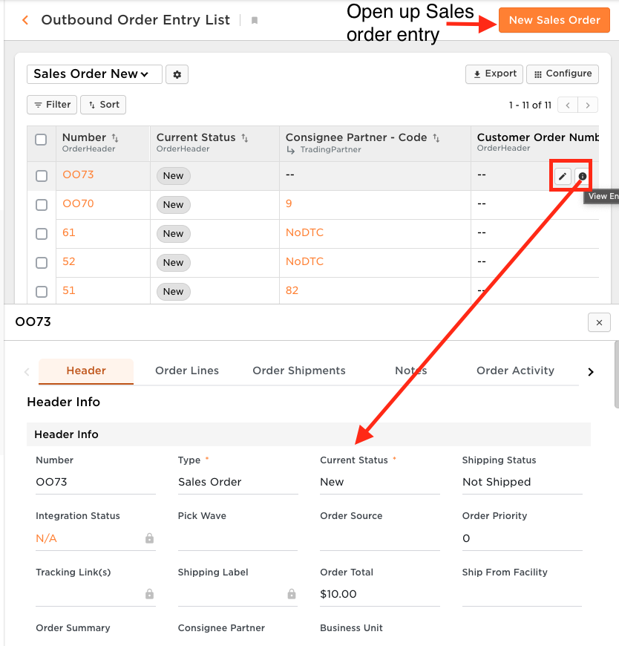 | 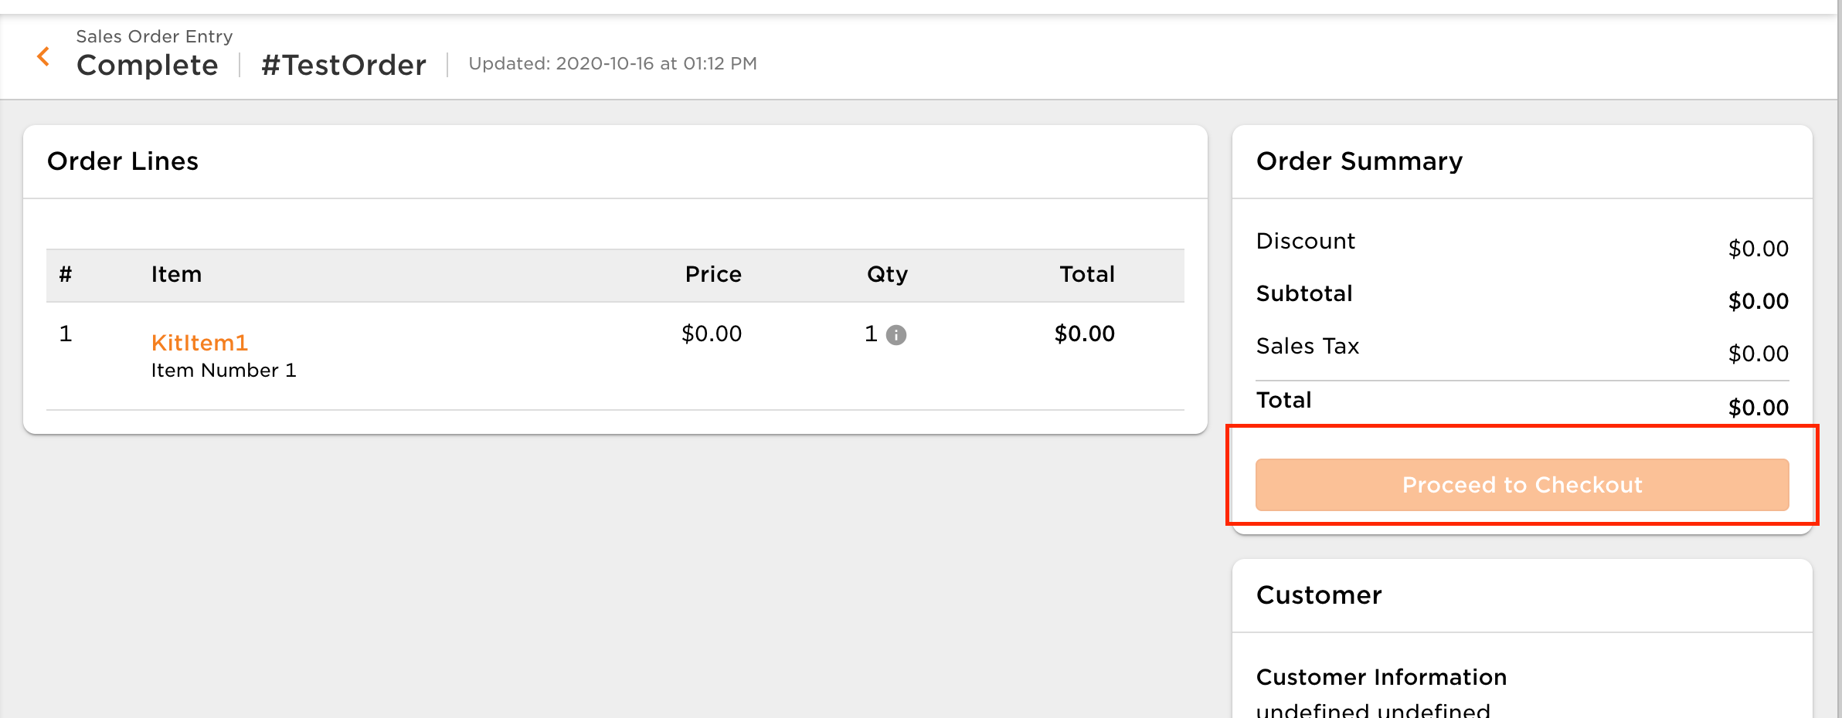
2 | Different Outbound Order Entry views per Order Summary | This can only be done on a business unit level, not on an order attribute level
 |  | Templates can be created for each order summary with pre-filled information, and the user can copy this to create different types of orders

 |  | Data Exchange CSV uploads: Define template for both Outbound Orders and Fulfillment Orders. | 1. Can control exactly which attributes we display for user to populate and import. 2. Clients do not need Create Order access and can still upload orders, no risk of clients editing orders. | UI Sales Order Entry application not utilized

